Indices

 | Iraq Stock Exchange
 | Bulletin No (197)

 | ISX Trading Indices of Monday 3/11/2025

 | Traded Volume and OTC |  | 345,845,930 |  | Traded Value and OTC |  | 932,115,517 |  | Traders | 975

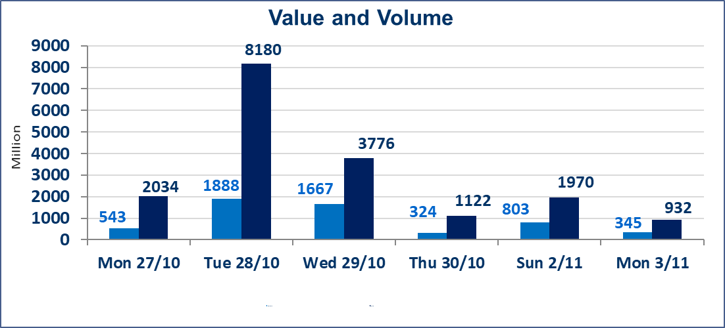
 | ISX Index 60 |  |  | 957.60 | ISX Index 15 |  |  | 1170.74
 | Previous ISX Index60 |  |  | 945.53 | Previous ISX Index15 |  |  | 1149.36
 | Change % |  |  | 1.28 | Change % |  |  | 1.86
 | Change |  |  | 12.07 | Change |  |  | 21.38

 | Listed Companies | 104 | OTC | 11 | Non Traded listed | 44 | OTC | 9
 | Traded Listed Companies | 48 | OTC | 1 | Higher Companies |  |  | 15
 | GAM Companies |  |  | 2 | Lower Companies |  |  | 11
 | Suspended Companies |  |  | 10
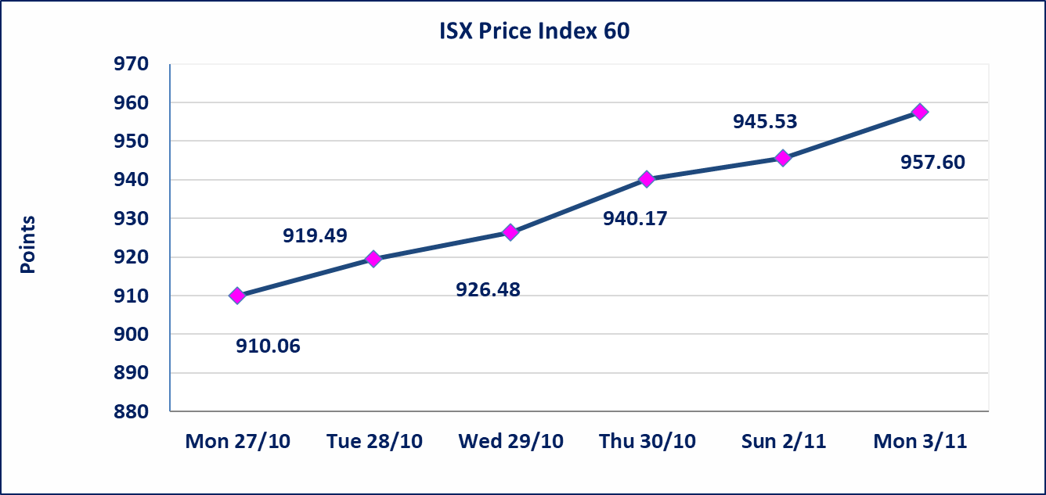
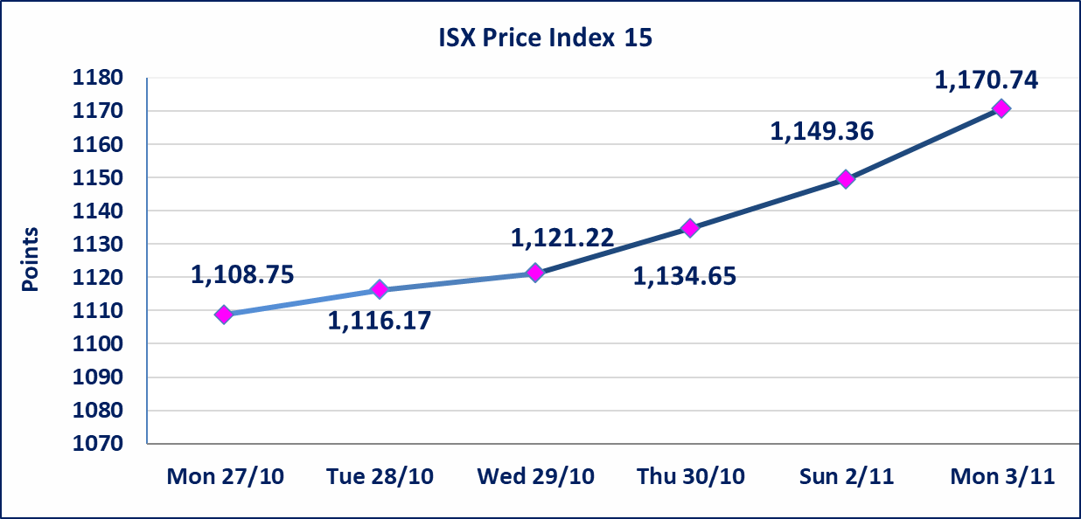

Al-Alwiya P.O . 3607 Mobile: 07711211522 - 07270094594 - 07834000034 E-mail: info-isx@isx-iq.net Web site:www.isx-iq.net

Top 5
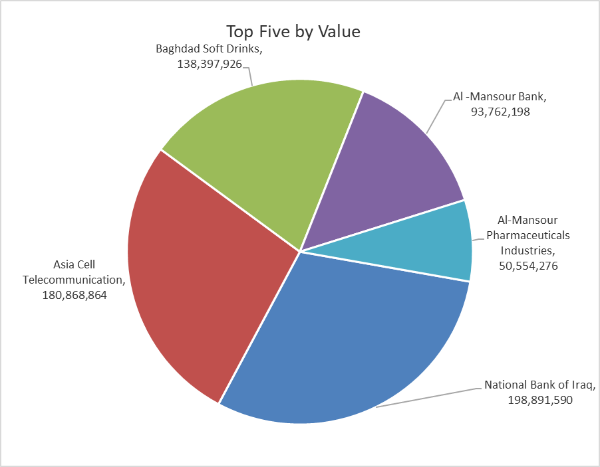
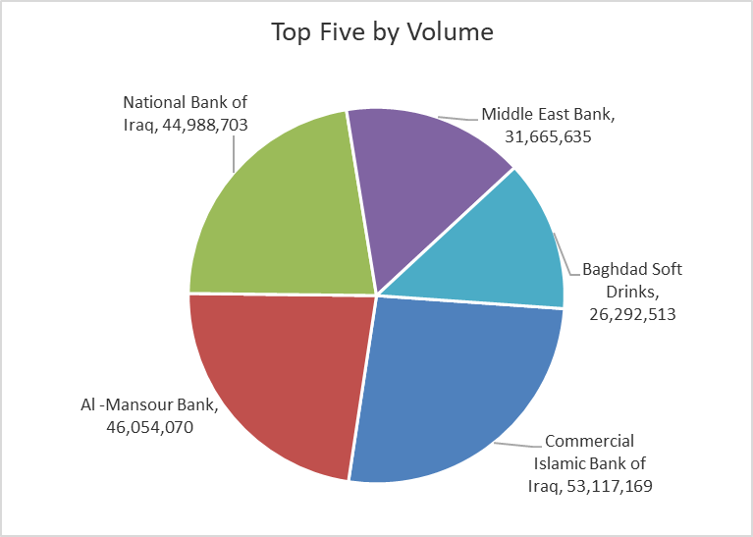
ISX top ganing and losing companies
Monday 3/11/2025
Gainers |  |  |  | Losers
Company Name | Closing Price | Change (%) | Traded Volume | Company Name | Closing Price | Change (%) | Traded Volume
Iraqi Carton Manufactories | 1.350 | 12.50 | 539,096 | Babil Animal & Vegetable Production | 4.250 | -15.00 | 55,000
Ashur International Bank | 0.260 | 8.33 | 15,451,275 | AL-Anssari Islamic Bank | 0.420 | -14.29 | 1,000,000
Elaf Islamic Bank | 0.320 | 6.67 | 600,000 | Iraqi Date Processing and Marketing | 2.700 | -9.09 | 416,914
Baghdad Soft Drinks | 5.350 | 4.90 | 26,292,513 | Mamoura Realestate | 3.170 | -2.46 | 1,990,100
Electronic Industry | 1.590 | 4.61 | 6,188,426 | Fallujah for construction Materials | 3.300 | -2.08 | 13,541,334

The most active companies in term of traded volume and value

Traded Volume |  |  |  | Traded Value
Company Name | Closing Price | Change (%) | Traded Volume | Company Name | Closing Price | Change (%) | Traded Value
Commercial Islamic Bank of Iraq | 0.710 | 0.00 | 53,117,169 | National Bank of Iraq | 4.450 | 3.97 | 198,891,590
Al -Mansour Bank | 2.040 | 1.49 | 46,054,070 | Asia Cell Telecommunication | 12.900 | 2.38 | 180,868,864
National Bank of Iraq | 4.450 | 3.97 | 44,988,703 | Baghdad Soft Drinks | 5.350 | 4.90 | 138,397,926
Middle East Bank | 0.060 | 0.00 | 31,665,635 | Al -Mansour Bank | 2.040 | 1.49 | 93,762,198
Baghdad Soft Drinks | 5.350 | 4.90 | 26,292,513 | Al-Mansour Pharmaceuticals Industries | 2.430 | 0.41 | 50,554,276

